WIAS_TSP
Submit first TSP in Hora Finita for approval by WIAS
Explanation to this TSP is given in the TSP Guide.

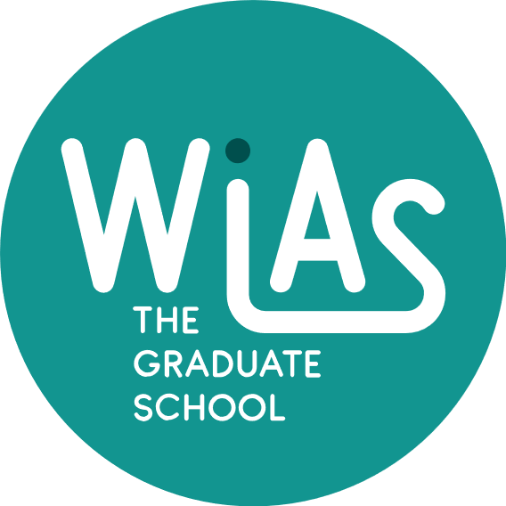
Training and Supervision Plan (TSP) |  |  |  | Graduate School WIAS

Section 1. GENERAL INFORMATION AND LEARNING GOALS

Name PhD candidate
Project title
Group

Supervising team:
 | Name: |  | Daily supervisor?
Intended (co)promotor
Intended promotor
Personal Development Coach
Project term | from | until
Submitted | <date> | first plan / midterm / certificate

To start |  |  |  |  | Done?
Introduction interview with WIAS secretary and PhDconfidant:
Introduction interview with WIAS education coordinator:
Competence assessment (MyTalent):
Evaluation of personal learning goals with Personal Development Coach at start of PhD training (based on outcome of MyTalent assessment):
Discussion of professional and disciplinary learning goals with the PhD supervisor(s):
Evaluation of learning goals with Personal Development Coach and supervisors at mid-term:

Learning goals
What do you want to learn during your PhD study at WIAS?

Formulate at least 3 detailed and specific personal learning goals in the TSP Learning Goals (these are related to the MyTalent assessment and discussion with PhD advisor).
Summarize the discussion about your professional and disciplinary learning goals with your PhD supervisor(s) in the TSP learning Goals (this is not related to your MyTalent assessment).
Submit this separate document together with the TSP

Section 2. SUPERVISION

Agreements made between daily supervisor(s), supervisor(s) and PhD student
Discuss with your supervisor(s) and fill in at least the questions below; extend with potential more agreements
Meetings with daily supervisor will take place every …
Urgent questions will be answered within …
Meetings with supervisor / supervisory committee will take place every …
Feedback on manuscripts will be given within …
Progress and (adjustment of) planning will be discussed at least …

Within 8-15 months, progress must be evaluated resulting in a go/no go decision.

Section 3. EDUCATION AND TRAINING (minimum 30 credits)
A. The Basic Package |  |  |  | year | credits *
WIAS Introduction Day (mandatory)
WGS Scientific Integrity course or alternative scientific integrity course (mandatory)
WGS Ethics in Animal Sciences course or alternative ethics course (mandatory)
Introduction course on Personal Effectiveness (recommended)
Subtotal Basic Package |  |  |  |  | 0

B. Disciplinary Competences (minimum 2 courses) |  |  |  | year | credits

Subtotal Disciplinary Competences |  |  |  |  | 0

C. Professional Competences (minimum 2 courses) |  |  |  | year | credits

Subtotal Professional Competences |  |  |  |  | 0

D. Societal Relevance (recommended) (maximum 6 credits) |  |  |  | year | credits

Subtotal Societal Relevance |  |  |  |  | 0

E. Presentation Skills (max 4 credits)(minimum 2 presentations of which one oral) |  |  |  | year | credits
< title of presentation, name of conference/seminar, place, date, oral / poster >

Subtotal presentations |  |  |  |  | 0

F. Teaching competences (max 6 credits) |  |  |  | year | credits

Subtotal Teaching competences |  |  |  |  | 0

Education and Training Total (minimum 30 credits)* |  |  |  |  | 0
*One ECTS credit equals a studyload of approximately 28 hours

Signatures for |  | Agreement | Agreement | Approval
 | PhD candidate | Promotor | Daily supervisor | WIAS
Name
Date
Signature

